1. Title Page
[GROCERY BASKET ANALYSIS]

Project Name: Instacart Basket Analysis
Date: 16.12.2023
Analyst Name: Evelyn Chinonso

Contents:
Population Flow
Consistency checks
Wrangling steps
Column derivations
Visualizations
Recommendations

Citation: "The Instacart Online Grocery Shopping Dataset 2017", Accessed from www.instacart.com/datasets/grocery-shopping-2017 via Kaggle on 1 November 2023

2. Population Flow
Title page

Population flow

Exclusion flag
Condition: max_order <
Obervations to be removed:
Final total count of order_products_all:

Orders_products_combined
Orders_products_merged

Orders_products_all
Total: 32434488,13
Total: 462502,18

Total: 462502,30

1.) The grey boxes in the first row of the population flow represent the original data sets as they were when you downloaded them. In the Total fields you need to add the count of the rows when you imported the data set into Jupyter.
2.) The second row of boxes (coloured) represents the data sets after you manipulated them, e.g., removed missing values and duplicates. In the Total fields you need to add the count of the rows after conducting these operations. This offers a visual oveview of how the data flows throughout the data consistency checks.
3.) The third row, where also the arrows are coloured, represents the merges you performed between the datasets. In the Total fields you need to add the count of the rows in the merged datasets, so that you end up with the final dataset (in the red box). Keep in mind the final dataset should be without exclusions (based on the exclusion flag).

3. Consistency checks
 |  |  |  | Title page
Consistency checks

Dataset | Missing values | Missing values treatment | Duplicates
orders | In days_since_prior_order, there appears to be 206209 missing values | Although there appears to be 206209 missing values, the values needed to remain in the dataset since the 'order_number' of each of these customers is 1. | No Duplicates found
products | product_name appears to have 16 missing values | For the missing values in product_name, I decided to remove/drop the missing values | 5 Duplicates found and removed
orders_products_prior | No values are missing | No missing values to treat | No Duplicates found
customers | In first_name column there are 11259 NaN values | No action required since the rest of the information is usable for our analysis | No Duplicates found

4. Wrangling steps
 |  |  |  | Title page
Wrangling steps

Columns dropped | Columns renamed | Columns' type changed | Comment/Reason
 |  | user_id' | changed 'user_id' from integer to a string
 | order_hour_of_day |  | order_hour_of_day remained the same .
unnamed: 0.1 |  |  | removed 'unnamed: 0.1' as it is an unnecessary column
unnamed: 0 |  |  | removed 'unnamed: 0' as it is an unnecessary column
_merge |  |  | removed as it was unnecessary
 | Surnam |  | mispelled and it needed to be lowercased
 | First Name |  | needed to remove the space between the two and lowercase the two
 | STATE |  | needed to lowercase the from STATE to state
 | Gender |  | needed to lowercase the G
 | Age |  | needed to lowercase the A
 | fam_status |  | needed to changed fam to marital to better understand dataset
 | n_dependents |  | needed to changed n_depended to num_of_dependents to better understand dataset
first_name |  |  | PII- Security risk
last_name |  |  | PII- Security risk

5. Column derivations
 |  |  |  | Title page

Column derivations and aggregations

In this tab you should add tables below that the frequences of flags/label variables that you produced after deriving them. NB: don't do this for continuous variables, only for flags.
Dataset | New column | Column/s it was derived from | Conditions
orders_products_merged.pkl | price_label | prices | if row['prices'] <= 5: return 'Low range product' elif (row['prices'] > 5) and (row['prices'] <= 15): return 'Mid range product' elif row['prices'] > 15: return 'High range product' else: return np.nan
orders_products_merged.pkl | price_range_loc | prices | df.loc[df['prices'] > 15, 'price_range_loc'] = 'High range product' df.loc[df['prices'] > 15, 'price_range_loc'] = 'High range product' df.loc[(df['prices'] <= 15) & (df['prices'] > 5), 'price_range_loc'] = 'Mid range product' df.loc[df['prices'] <= 5, 'price_range_loc'] = 'Low range product'
orders_products_merged.pkl | busiest_day | order_dow | result = [] for value in ords_prods_merged["order_dow"]: if value == 0: result.append("Busiest day") elif value == 4: result.append("Least busy") else: result.append("Regularly busy")
orders_products_merged.pkl | busiest_days | order_dow | result = [] for value in ords_prods_merged["order_dow"]: if value == 0 or value == 1: result.append("Busiest days") elif value == 4 or value == 3: result.append("Least busy") else: result.append("Regularly busy")
orders_products_merged.pkl | Busiest_period_of_day | order_hour_of_day | hour_of_day = [] for value in ords_prods_merged["order_hour_of_day"]: if value in [10, 11, 14, 15, 13, 12, 16, 9]: hour_of_day.append("Most orders") elif value in [ 17, 8, 18, 19, 20, 7, 21, 22]: hour_of_day.append("Average orders") else: hour_of_day.append("Fewest orders")
orders_products_merged_updated | loyalty flag | max_order | ords_prods_merge.loc[ords_prods_merge['max_order'] > 40, 'loyalty_flag'] = 'Loyal customer' ords_prods_merge.loc[(ords_prods_merge['max_order'] <= 40) & (ords_prods_merge['max_order'] > 10), 'loyalty_flag'] = 'Regular customer' ords_prods_merge.loc[ords_prods_merge['max_order'] <= 10, 'loyalty_flag'] = 'New customer'
orders_products_merged_updated | average_price | user_id & prices | ords_prods_merge['average_price'] = ords_prods_merge.groupby(['user_id'])['prices'].transform(np.mean)
orders_products_merged_updated | spending_flag | average_prices | # creating "Spending_flag" for average price < 10 as low spender ords_prods_merge.loc[ords_prods_merge['average_price'] < 10, 'spending_flag'] = 'Low spender' #creating "Spending_flag" for average price >= 10 as High spender ords_prods_merge.loc[ords_prods_merge['average_price'] >= 10, 'spending_flag'] = 'High spender'
orders_products_merged_updated | median orders | user_id & days_since_prior_order | ords_prods_merge['median_orders'] = ords_prods_merge.groupby(['user_id'])['days_since_prior_order'].transform(np.median)
orders_products_merged_updated | order_frequency_flag | median_orders | ords_prods_merge.loc[ords_prods_merge['median_orders'] > 20, 'order_frequency_flag'] = 'Non-frequent customer' ords_prods_merge.loc[(ords_prods_merge['median_orders'] > 10) & (ords_prods_merge['median_orders'] <= 20), 'order_frequency_flag'] = 'Regular customer' ords_prods_merge.loc[ords_prods_merge['median_orders'] <= 10, 'order_frequency_flag'] = 'Frequent customer'
orders_products_customer_merge.pkl | region | state | results_region = [] for value in instacart_merged["state"]: if value == 'Maine' or value == 'New Hampshire' or value == 'Vermont' or value == 'Massachusetts' or value == 'Rhode Island' or value == 'Connecticut' or value == 'New York' or value == 'Pennsylvania' or value == 'New Jersey': results_region.append("Northeast") elif value == 'Wisconsin' or value == 'Michigan' or value == 'Illinois' or value == 'Indiana' or value == 'Ohio' or value == 'North Dakota' or value == 'South Dakota' or value == 'Nebraska' or value == 'Kansas' or value == 'Minnesota' or value == 'Iowa' or value == 'Missouri': results_region.append("Midwest") elif value == 'Delaware' or value == 'Maryland' or value == 'District of Columbia' or value == 'Virginia' or value == 'West Virginia' or value == 'North Carolina' or value == 'South Carolina' or value == 'Georgia' or value == 'Florida' or value == 'Kentucky' or value == 'Mississippi' or value == 'Alabama' or value == 'Oklahoma' or value == 'Texas' or value == 'Arkansas' or value == 'Louisiana': results_region.append("South") else: results_region.append("West")
orders_products_customer_merge.pkl | age_group | age | instacart_merged.loc[(instacart_merged['age'] >= 18) & (instacart_merged['age'] <= 32), 'age_group'] = 'Young Adult: 18-32' instacart_merged.loc[(instacart_merged['age'] >= 33) & (instacart_merged['age'] <= 48), 'age_group'] = 'Adult: 33-48' instacart_merged.loc[(instacart_merged['age'] >= 49) & (instacart_merged['age'] <= 64), 'age_group'] = 'Older Adult: 49-64' instacart_merged.loc[(instacart_merged['age'] >= 65), 'age_group'] = 'Senior: 65+'
orders_products_customer_merge.pkl | income_level | income | #Creating income_level flag for Lower level instacart_merged.loc[(instacart_merged['income'] >= 25000) & (instacart_merged['income'] <= 67000), 'income_level'] = 'Lower Level' #Creating income_level flag for Middle Level instacart_merged.loc[(instacart_merged['income'] >= 67001) & (instacart_merged['income'] < 127000), 'income_level'] = 'Middle Level' #Creating income_level flag for Upper Level instacart_merged.loc[instacart_merged['income'] > 127001, 'income_level'] = 'Upper Level'

Visualisations
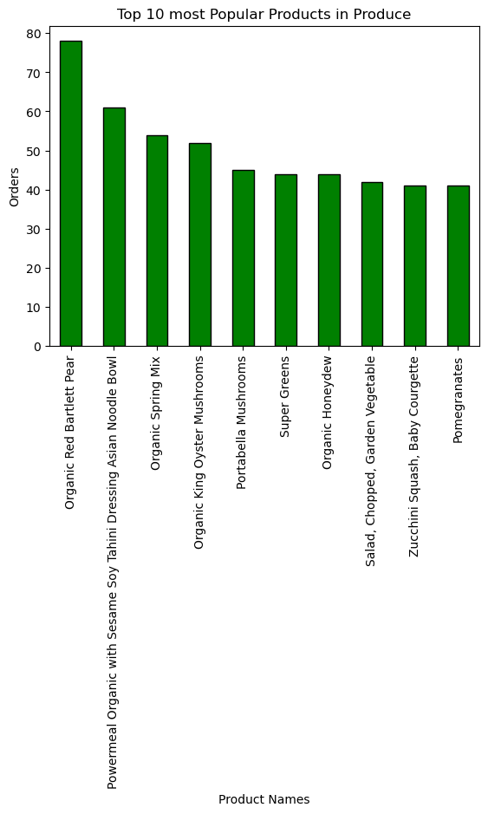
 |  | Title page

VISUALIZATIONS

In this tab you should include all the visualtions from Exercises 4.9 and 4.10, alongside the questions from the project brief that they answer. Include any commentary on the relationship between different variables.


Order Hour of Day

Order Day of the week

0. Saturday
1. Sunday
2, Moday
3. Tuesday
4, Wednesday
5. Thursday
6. Friday

The Histogram order hour of day illustrated the Busiest day of the week and it shows that the peak period for placing orders is between 9 am to 4 pm while between 1 am to 6 am shows the least period with fewer orders placed. Orders placed after 4 pm shows a steady decrease. | The Bar chart Show that the highest day orders are placed are Saturday and Sunday this shows that orders are placed more during the weekends.

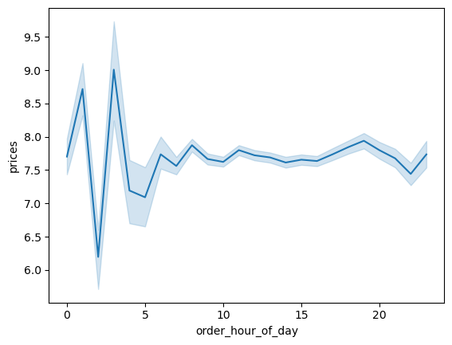
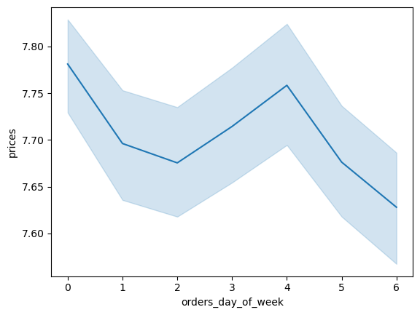

0. Saturday
1. Sunday
2, Moday
3. Tuesday
4, Wednesday
5. Thursday
6. Friday

The line chart shows that Customers order the most expensive items at 3 am while the lowest item is ordered at 2 am. from 5 am, Customers' price order keeps fluctuating. | According to the line chart, customers tend to order more expensive items on Saturdays and less expensive items on Fridays.


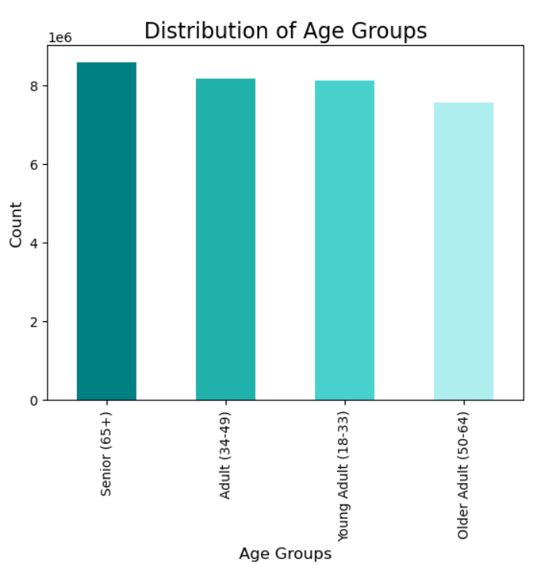

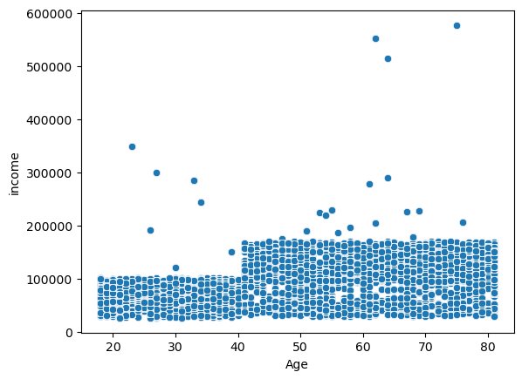

The line chart depicted above, 'Age and Family Situation' illustrates that there does not appear to be any correlation between age and number of dependents.
The scatterplot depicted above, 'Age and Income,' illustrates that the majority of individuals remain under 200000 in regards to income, howver in older individuals aged 40-80 there are more outliers who have a much higher spending power over the ages of 20-39..The scatterplot shows that the the highest density of income across all ages is between 0.00−100,000. Then the next highest income bracket is from 100,000− 200,000 for the 40-80 age group. The income value of 200,000-400,000 was less. The scatterplot portrays that once an individual turns 40, their earnings have the potential to change from 100000 to 200000 . Finally, Age 70+ stood out with an income of 600,000. The graph shows that there is a correlation between age and income.

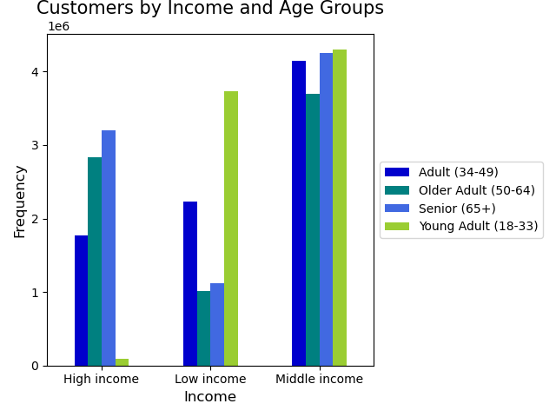
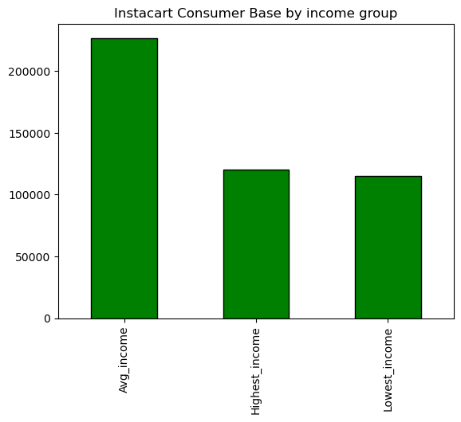

The bar chart, 'Customers by Income and Age Groups',' illustrates that the majority of income is distributed for indivdiuals in the middle income group. Additionally, it depicts that the 'Young Adult' age group is the least likely to be in the high income group and the most likely to be in the 'Low Income' group. Furthermore, the gragh shows how the 'Seniors (65+) are the most likely to enjoy a higher income while the 'Older Adults (50-64)and the Seniors (65+) are the least likely to be in the lower income levels. | The bar chart above, ' Customer Income Groups' depicts the most common income group customers belong to which is that of the Middle income level

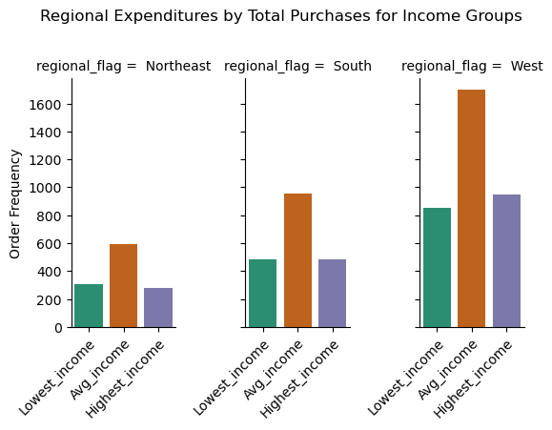
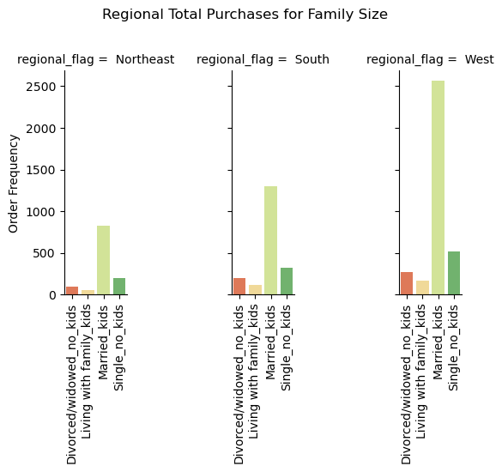

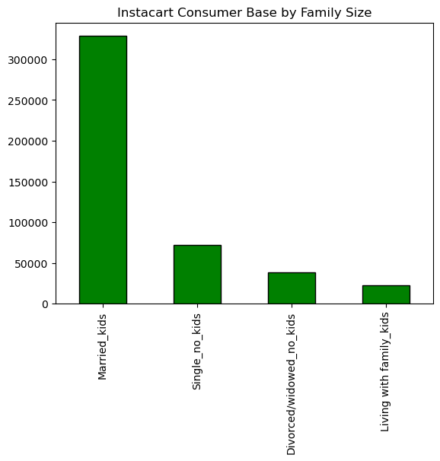

The bar chart above ' Regional Expenditure by Total Purchase for income groups' shows the range of income level . The Bar chart shows that the Average income level are the most common throughout the regions with the south region having the highesr number of Average income earners.

The bar chart above depicts that throughout the regions the majority of individuals are marrried with children, particularily in the West.

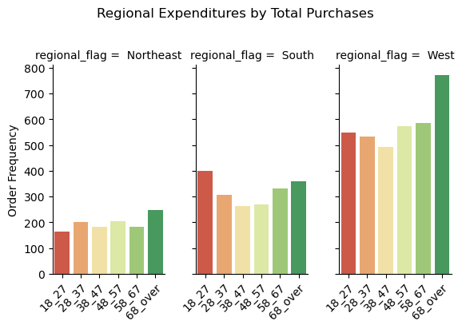

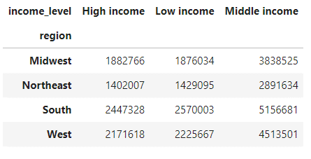

 | The bar chart 'Customer Age by Region' illustrates that the majority of customers 18+ are in the Southern and Western, and that in these region the largest age group is that of Seniors 65+. The Northeast region has the least amount of age groups in the region.

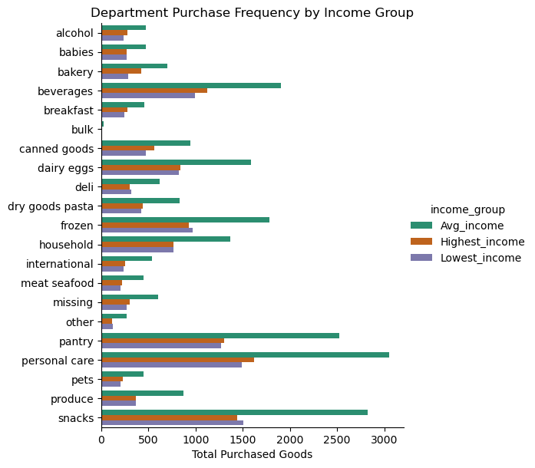
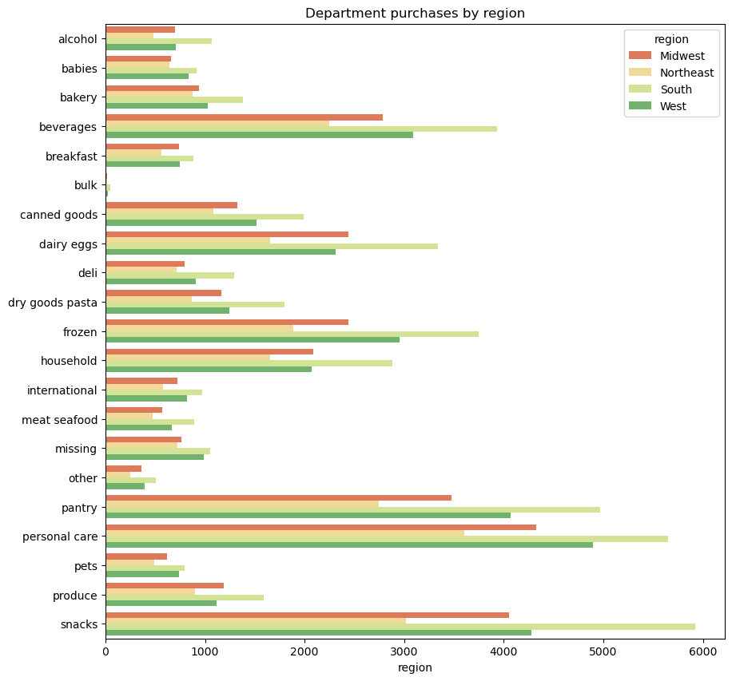

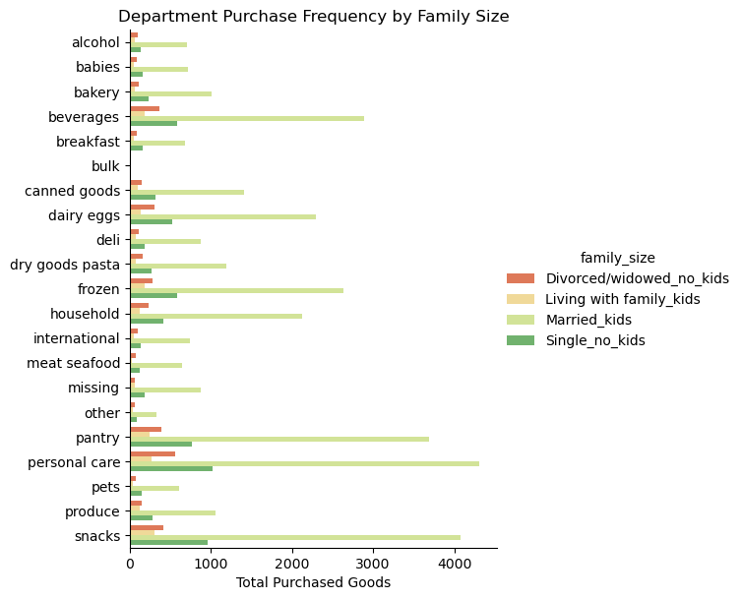

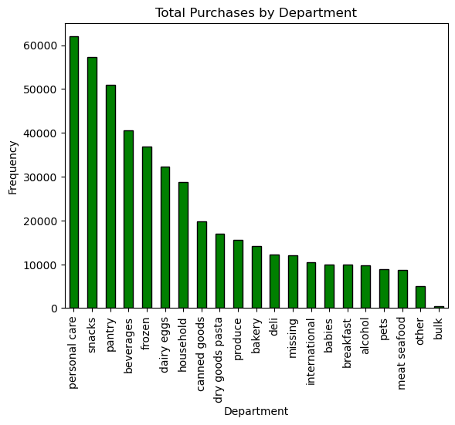

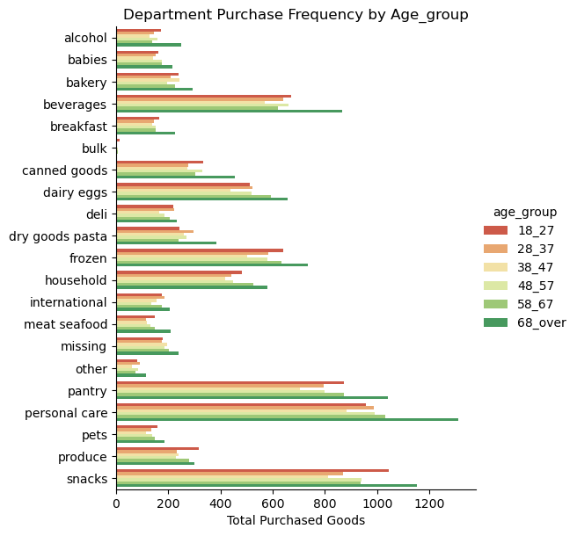

The bar Charts ' Department Purchase by Region, Department Purchase by Income Group', Department purchase by Family Size, Department Purchase frequency by Age_group', Department purchases by region', and Total purchases by Department. All four charts shows that Personal care had the highest purchase followed by Snacks pantry and beverages. This shows tha regardless of the age_group, Income, Family and the all have the same chioce.
Snacks had the highest purchases across the region then followed by Personal care.

Frequency of Prices

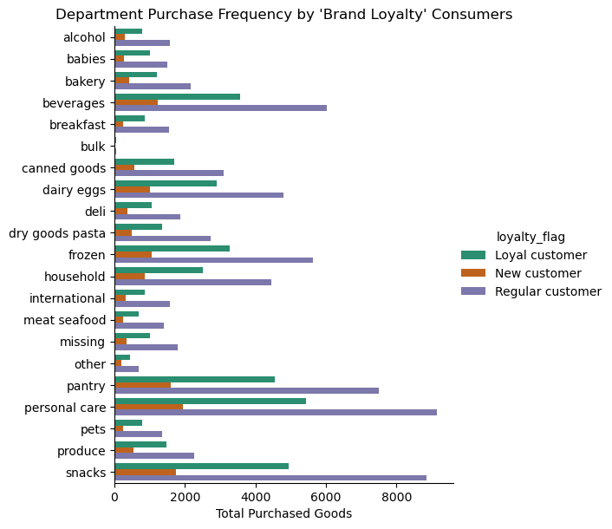
Customer Loyalty
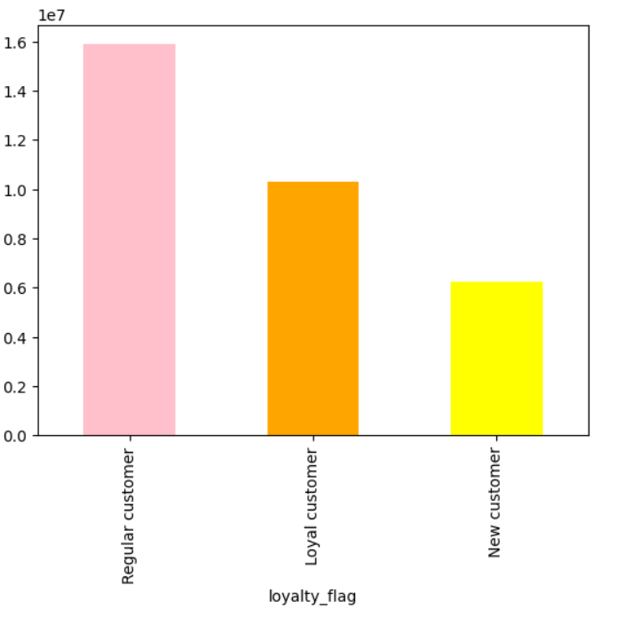


Price

7. Recommendations
 |  |  | Title page

Recommendations

In this tab you should include any recommendations you would made to Instcart in terms of their marketing strategy based on the questions posed in the brief. Every key question has been covered in the Tasks of the Exercises - here you need to add an item - a visualisation or table/crosstable that is showing the answer in the data, acompanied by a comment from you. Please, list the questions below and add the answer underneath.

Key Questions
QUESTIONS | ANSWERS | GRAPH
The sales team need to know what the busiest days of the week and hours of the day are (i.e., the days and times with most orders) in order to schedule ads at the time when there are fewer orders | According to the data analysis, the weekend is the busiest time of the week for placing orders, with most orders being placed on Saturday, followed by Sunday and Friday. Additionally, the busiest hour for placing orders is between 9 am and 4 pm. If you are planning to schedule ads during the time when there are fewer orders, it is recommended to schedule them after 4 pm during weekdays. This is because Wednesday is the day of the week with the least amount of orders placed, followed by Tuesday and Monday..

Is there a particular time of the day when people spend the most money, as this might inform the type of products they advertise at these times | According to the data analysis, The line chart illustrates that the highest-priced items are ordered at 3 am, while the lowest-priced items are ordered at 2 am. The price of orders keeps fluctuating from 5 am onward Moreover, the price of orders placed during the weekend is higher than those placed throughout the week, and the prices during the week remain consistent. Based on these findings, the sales team may consider promoting the expensive items during the weekend, particularly at 3 am when customers tend to order the most expensive items, and the less expensive items at 2 am. | 
Instacart has a lot of products with different price tags. Marketing and sales want to use simpler price range groupings to help direct their efforts | It is worth noting that the majority of products fall within the price range of $2 to $15. This suggests that most consumers are inclined towards purchasing affordable items rather than expensive ones.
Are there certain types of products that are more popular than others? The marketing and sales teams want to know which departments have the highest frequency of product orders. | The highest placed orders is that or Snacks, personal care, and pantry regardless of region.
What's the distribution among users regarding their brand loyalty? (i.e., how often do they return to Instacart? | Studies have shown that when it comes to brand loyalty, most of the returning customers are regular ones, not necessarily loyal customers. Surprisingly, new customers are found to be the most loyal to brands. This information suggests that businesses should focus on offering more incentives to promote and encourage customer loyalty among their regular customers.
The marketing and sales teams are particularly interested in the different types of customers in their system and how their ordering behaviors differ. | It is important for the marketing and sales team to take into consideration the age groups they are targeting. Targeting individuals over the age of 40 is recommended as they tend to have a higher spending power. Therefore, it is advisable for the sales/marketing team to focus their efforts on this particular age group to optimize their results.

